Intro and Disclaimer
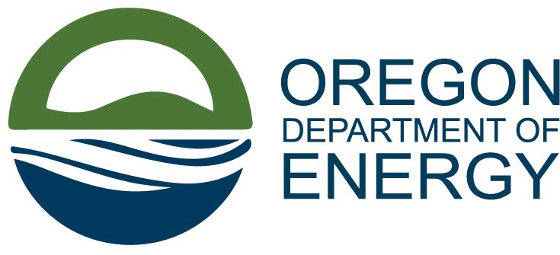

PLEASE READ BEFORE USING THE TRACKER
Welcome to the Oregon Department of Energy (ODOE) Infrasctructure Invesment and Jobs Act (IIJA) and Inflation Reduction Act (IRA) Grant Opportunity Tracker. In the tracker you'll find columns for program type, eligible recipients, available funding, relevant links, and more. ​We'll update the spreadsheet weekly with the latest information​ and highlight changes from the previous week in yellow – links will be checked monthly.
While ODOE makes every effort to ensure that the information contained in the table is accurate and current, there are numerous programs that continue to evolve quickly as the federal government further develops and refines them. For the vast majority of opportunities listed on this tracker, ODOE is not the funding agency and does not control the grantmaking process. As such, applicants to any specific opportunity should not rely on this tracker for application purposes. ODOE strongly encourages any individual or organization interested in applying for a grant go to the appropriate federal government program page for current grant information. This tracker should be used for reference purposes only, and not as a primary source of grant application information, procedures, or documentation.
As of 12/12/2023 ODOE has been working to add the grant dollars allocated in Oregon. However, there is no centralized repository of dollars awarded by state, so the information is incomplete and difficult to compile. ODOE will continue to add more values as they become available.
Questions or comments about the tracker may be directed to tony.raeker@energy.oregon.gov.

